Paste Special
SOLUTION - Paste Special

Task 1: Use Format Painter to apply the formatting of the header of the table in the "Cell Styles" sheet to the header of the table we have in this sheet.
Task 2: Use Format Painter to highlight the cell that reads "Forecast." (again, apply the same formatting as in "Cell Styles")
Task 3: Copy the D&A row in the "Cell Styles" sheet. Use the Paste Special option from the ribbon to paste the formatting of the copied cells to the D&A row in this sheet.
Task 4: Copy the Existing Fixed Assets row in "Cell Styles" and use the shortcut for Paste Special to paste the formatting of the copied cells to the Existing Fixed assets and Ending PP&E rows.

 |  |  | Forecast
 | $ in mln | 2016-12-31 | 2017-12-31 | 2018-12-31 | 2019-12-31 | 2020-12-31 | 2021-12-31
 | Beginning PP&E | 632.5 | 659.5 | 673.6 | 684.3 | 694.3 | 703.7
 | D&A | (41.0) | (44.3) | (45.3) | (46.0) | (46.7) | (47.3)
 | Existing fixed assets | 591.5 | 615.2 | 628.3 | 638.3 | 647.7 | 656.4
 | Capex | 68.0 | 58.4 | 56.0 | 56.0 | 56.0 | 56.0
 | Ending PP&E | 659.5 | 673.6 | 684.3 | 694.3 | 703.7 | 712.4

 | Here is the step-by-step solution:

 | 1. Open the "Cell Styles" sheet. With the help of Format Painter, extract the formatting of the header and apply it to the table below.

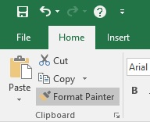

 |  |  | Forecast
 | $ in mln | 2016-12-31 | 2017-12-31 | 2018-12-31 | 2019-12-31 | 2020-12-31 | 2021-12-31
 | Beginning PP&E | 632.5 | 659.5 | 673.6 | 684.3 | 694.3 | 703.7
 | D&A | -41 | -44.314229249 | -45.260066553 | -45.98172216 | -46.654887074 | -47.282819563
 | Existing fixed assets | 591.5 | 615.18577075 | 628.31621803 | 638.33449587 | 647.6796088 | 656.39678923
 | Capex | 68.0 | 58.4 | 56.0 | 56.0 | 56.0 | 56.0
 | Ending PP&E | 659.5 | 673.57628458 | 684.31621803 | 694.33449587 | 703.6796088 | 712.39678923

 | 2. Use Format Painter to highlight the cell that reads "Forecast."

 |  |  | Forecast
 | $ in mln | 2016-12-31 | 2017-12-31 | 2018-12-31 | 2019-12-31 | 2020-12-31 | 2021-12-31
 | Beginning PP&E | 632.5 | 659.5 | 673.6 | 684.3 | 694.3 | 703.7
 | D&A | -41 | -44.314229249 | -45.260066553 | -45.98172216 | -46.654887074 | -47.282819563
 | Existing fixed assets | 591.5 | 615.18577075 | 628.31621803 | 638.33449587 | 647.6796088 | 656.39678923
 | Capex | 68.0 | 58.4 | 56.0 | 56.0 | 56.0 | 56.0
 | Ending PP&E | 659.5 | 673.57628458 | 684.31621803 | 694.33449587 | 703.6796088 | 712.39678923

 | 3. Copy the D&A row in the "Cell Styles" sheet. Use the Paste Special option from the ribbon to paste the formatting of the copied cells to the D&A row in this sheet.

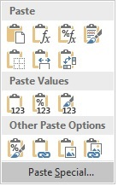

 |  |  | Forecast
 | $ in mln | 2016-12-31 | 2017-12-31 | 2018-12-31 | 2019-12-31 | 2020-12-31 | 2021-12-31
 | Beginning PP&E | 632.5 | 659.5 | 673.6 | 684.3 | 694.3 | 703.7
 | D&A | (41.0) | (44.3) | (45.3) | (46.0) | (46.7) | (47.3)
 | Existing fixed assets | 591.5 | 615.18577075 | 628.31621803 | 638.33449587 | 647.6796088 | 656.39678923
 | Capex | 68.0 | 58.4 | 56.0 | 56.0 | 56.0 | 56.0
 | Ending PP&E | 659.5 | 673.57628458 | 684.31621803 | 694.33449587 | 703.6796088 | 712.39678923

 | 4. Copy the Existing Fixed Assets row in "Cell Styles" and use the shortcut for Paste Special to paste the formatting of the copied cells to the Existing Fixed assets and Ending PP&E rows.

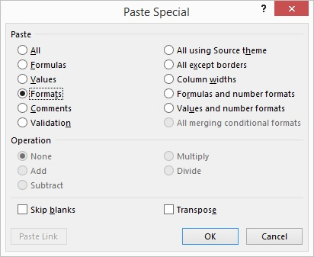

 |  |  | Forecast
 | $ in mln | 2016-12-31 | 2017-12-31 | 2018-12-31 | 2019-12-31 | 2020-12-31 | 2021-12-31
 | Beginning PP&E | 632.5 | 659.5 | 673.6 | 684.3 | 694.3 | 703.7
 | D&A | (41.0) | (44.3) | (45.3) | (46.0) | (46.7) | (47.3)
 | Existing fixed assets | 591.5 | 615.2 | 628.3 | 638.3 | 647.7 | 656.4
 | Capex | 68.0 | 58.4 | 56.0 | 56.0 | 56.0 | 56.0
 | Ending PP&E | 659.5 | 673.6 | 684.3 | 694.3 | 703.7 | 712.4

